Sheet1
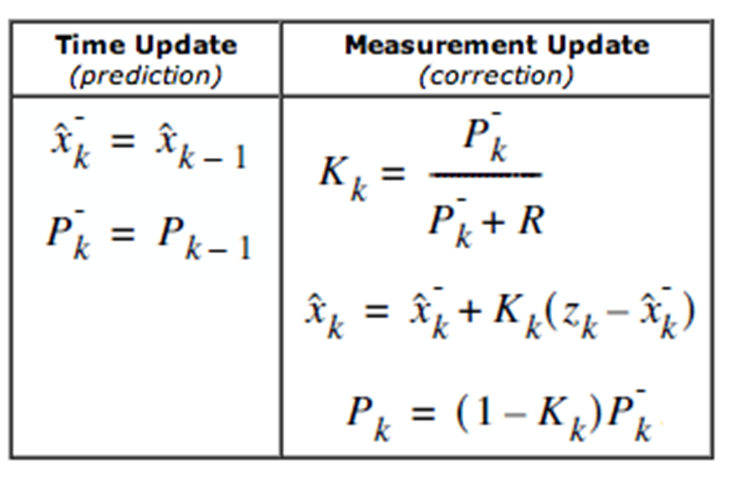
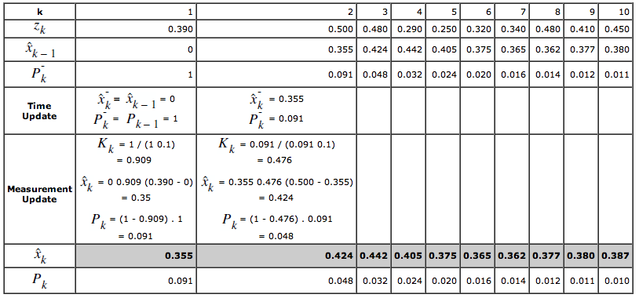
Time (k) | 1 | 2 | 3 | 4 | 5 | 6 | 7 | 8 | 9 | 10
Value (Zk) | 0.39 | 0.50 | 0.48 | 0.29 | 0.25 | 0.32 | 0.34 | 0.48 | 0.41 | 0.45
x(k-1) | 0 | 0.35 | 0.42 | 0.44 | 0.40 | 0.37 | 0.37 | 0.36 | 0.38 | 0.38
Pk- | 1 | 0.09 | 0.05 | 0.03 | 0.02 | 0.02 | 0.02 | 0.01 | 0.01 | 0.01
Kalman Gain | 0.91 | 0.48 | 0.32 | 0.24 | 0.20 | 0.16 | 0.14 | 0.12 | 0.11 | 0.10
xk | 0.35 | 0.42 | 0.44 | 0.40 | 0.37 | 0.37 | 0.36 | 0.38 | 0.38 | 0.39
Pk | 0.09 | 0.05 | 0.03 | 0.02 | 0.02 | 0.02 | 0.01 | 0.01 | 0.01 | 0.01

